FY 2029 Salary Tool
Calculator--using a specified base salary to calculate fringe benefits

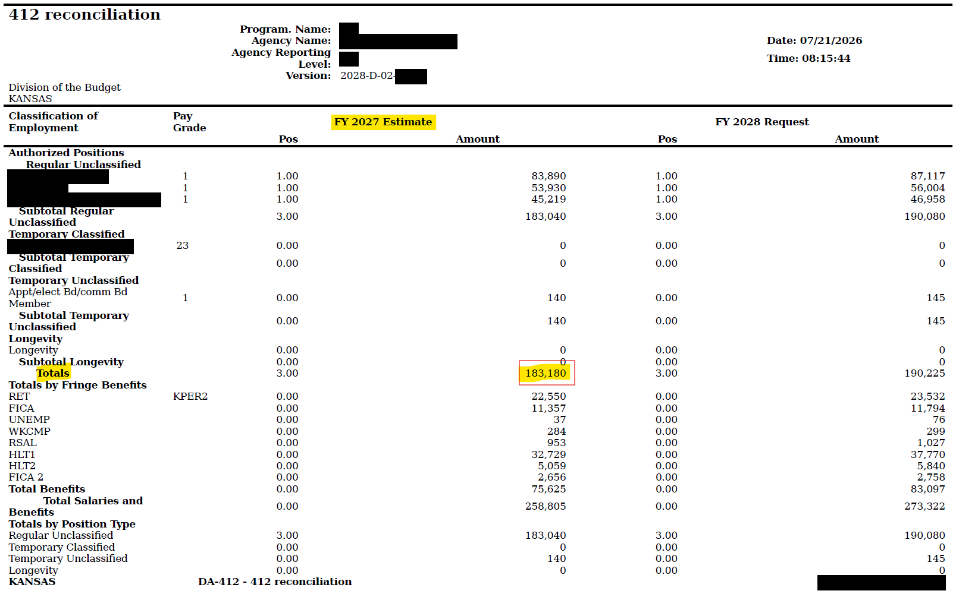
FY 2029
S/W Piece--Obj Code | % | Amount

Base Salary* | 79.486% | $--
KPERS (incl. Death & Disability Ins.)--518100 | 12.210% | --
OASDI FICA--519102 | 6.200% | --
Medicare FICA--519101 | 1.450% | --
State Leave--517600 | 0.540% | --
Unemp--519800 | 0.040% | --
Wkrs Comp--519700 | 0.074% | --
Health Insurance--519500 |  | --
Total |  | $--

*From the IBARS 412 Reconciliation Report, the amount that you enter into the yellow cell is the total base salary dollar amount in FY 2027. This is needed, as FY 2028 is a 27-paycheck fiscal year and FY 2029 reverts back to 26-pay periods. The base salary amounts (excluding fringe benefits) should be budgeted in the same for FY 2027 & FY 2029. (See 412 Recon. Report to the right)
Change the KPERS rate to match retirement rates for systems other than KPERS
Regular & School Member Retirement.
Change the Workers Comp rate to match the agency's rate. (2nd Tab of Spreadsheet)
Enter Number of Employees Utilizing Health Insurance expenditures from below.
Input the base salary and benefits amounts into IBARS in the Budget Request
Summary module in the FY 2027 Base Budget Entry Column.

 |  |  | Health Insurance
 |  |  | FY 2029
Employee Health Insurance (Full Time) Enter # of Employees |  | -- | $--
Employee Health Insurance (Part Time) Enter # of Employees |  | -- | --
Dependent Health Insurance (Full Time) Enter # of Employees |  | -- | --
Dependent Health Insurance (Part Time) Enter # of Employees |  | -- | --
Healthy Kids Insurance (Full Time) Enter # of Employees |  | -- | --
Healthy Kids Insurance (Part Time) Enter # of Employees |  | -- | --
Total Health Insurance Expenditures |  |  | $--

